Screens
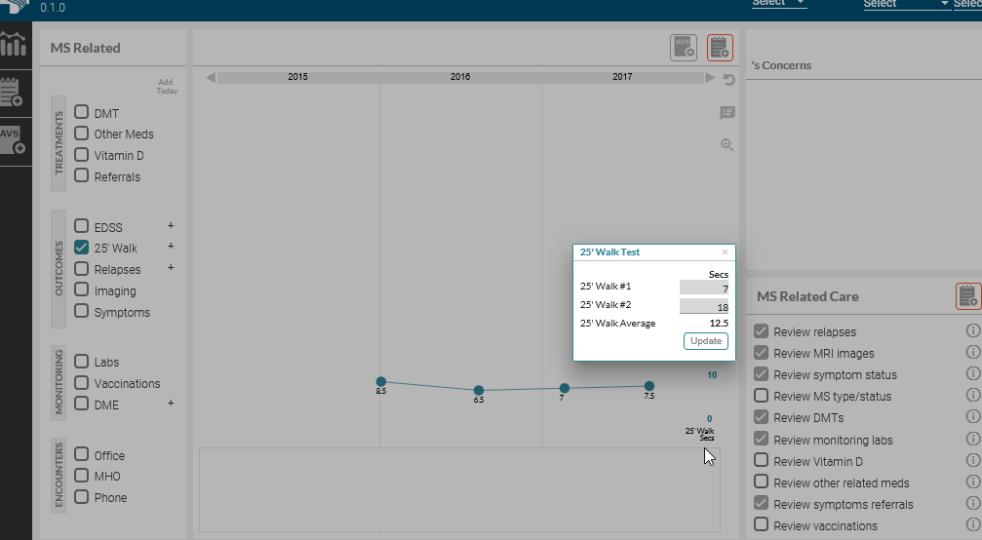
MS-Care
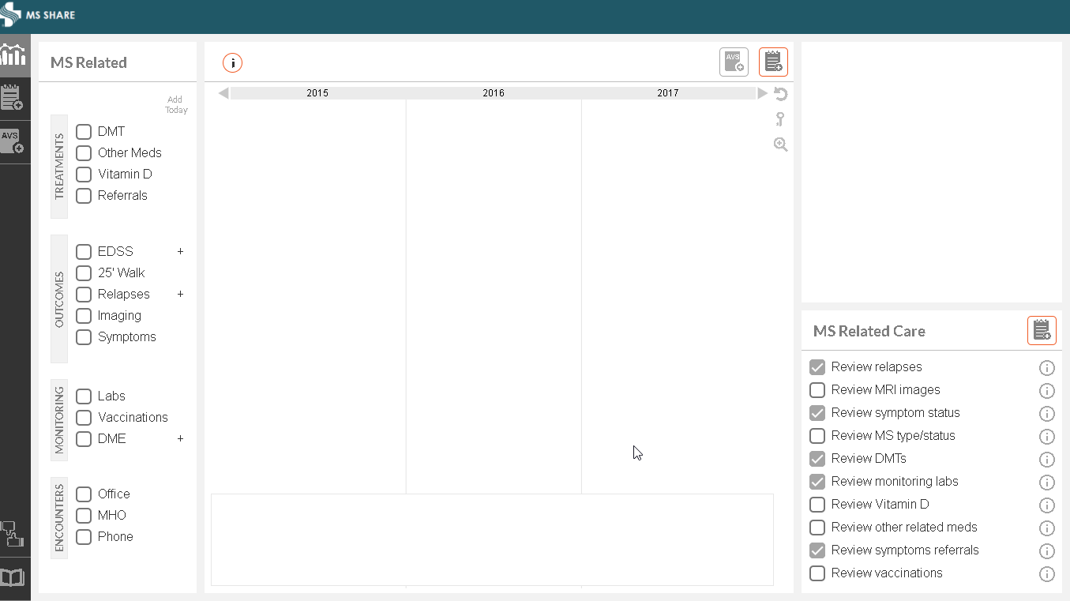

25' Walk Component

Data Layer 1: Graph Ploted for 25' Walk

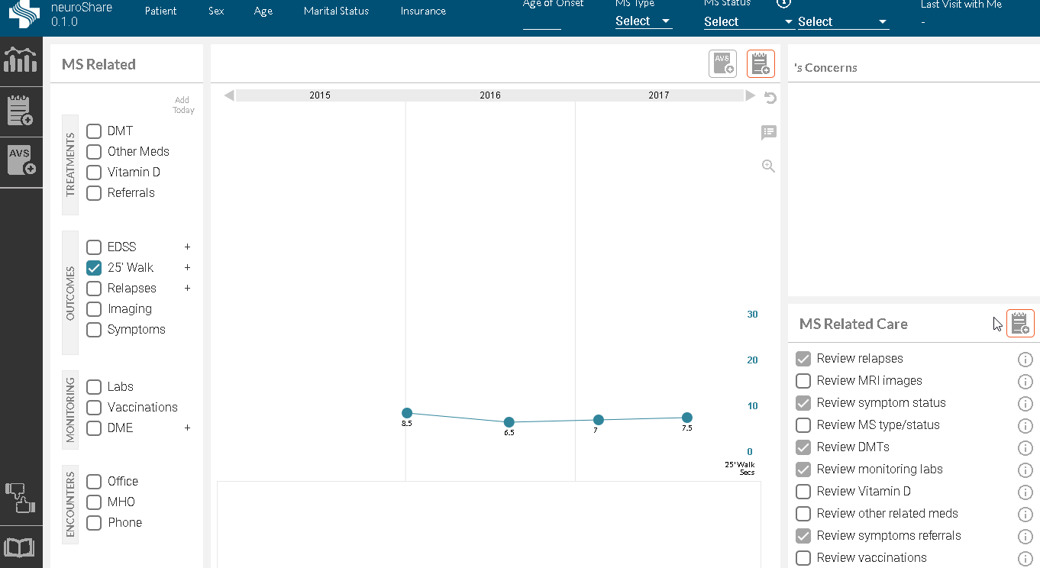

Data Layer 1:Add New Data Points

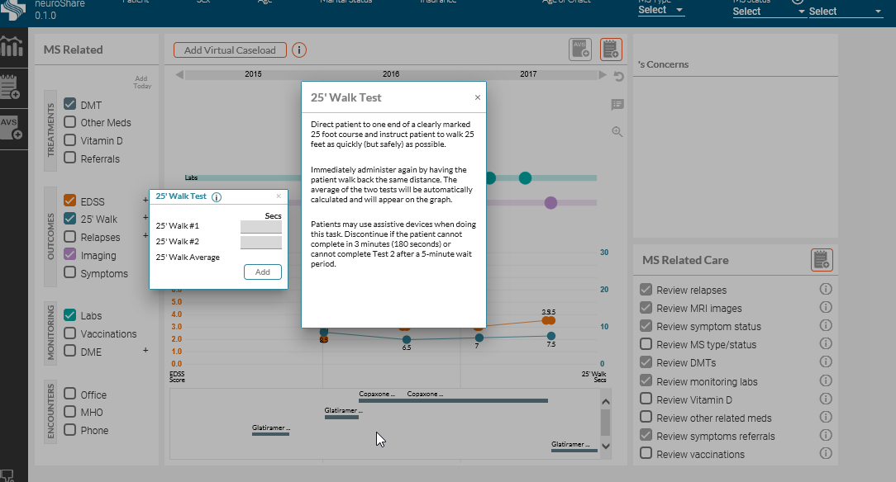

Data Layer 2:UpdateData Points

